Pivot Table
Avg Income Per Purchase
Average of Income | Column Labels
Row Labels | No | Yes | Grand Total
Female | 53440 | 55774.058577 | 54580.777096
Male | 56208.178439 | 60123.966942 | 58062.622309
Grand Total | 54874.759152 | 57962.577963 | 56360

Cutomer Commute
Count of Purchased Bike | Column Labels
Row Labels | No | Yes | Grand Total
0-1 Miles | 166 | 200 | 366
1-2 Miles | 92 | 77 | 169
2-5 Miles | 67 | 95 | 162
5-10 Miles | 116 | 76 | 192
More than 10 Miles | 78 | 33 | 111
Grand Total | 519 | 481 | 1000

Customer Age Bracket
Count of Purchased Bike | Column Labels
Row Labels | No | Yes | Grand Total
Adoloscent | 71 | 39 | 110
Middle Age | 318 | 383 | 701
Old | 130 | 59 | 189
Grand Total | 519 | 481 | 1000

Sales by Gender
Count of Purchased Bike | Column Labels
Row Labels | Yes | Grand Total
Female | 239 | 239
Male | 242 | 242
Grand Total | 481 | 481

Dashboard
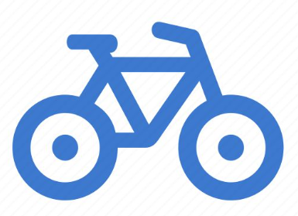
 | Bike Sales Dashboard

Avg Income Per Purchase
 | No | Yes
Female | 53440 | 55774.058577
Male | 56208.178439 | 60123.966942
Customer Age Bracket
 | No | Yes
Adoloscent | 71 | 39
Middle Age | 318 | 383
Old | 130 | 59

Filters

Cutomer Commute
 | No | Yes
0-1 Miles | 166 | 200
1-2 Miles | 92 | 77
2-5 Miles | 67 | 95
5-10 Miles | 116 | 76
More than 10 Miles | 78 | 33
Sales by Gender
 | Yes
Female | 239
Male | 242

